Sheet1
Information Technology | 19.51 | 19.11
Financials | 16.02 | 25.52 | 0.30392501764 | financials
Health Care | 14.98 | 13.14 | 2.401695033 | ind
Consumer Discretionary | 12.09 | 10.55 | 1.5012726644 | ind
Industrials | 10.38 | 9.66 | 2.7728218245 | hc
Consumer Staples | 10.00 | 8.85 | 1.5629333548 | eng
Energy | 8.12 | 7.28 | 1.4902062228 | eng
Utilities | 3.45 | 3.02 | 11.781812042 | financials
Materials | 3.18 | 2.86 | 2.8572984751 | materials
Telecommunication Services | 2.28 | - | 4.228013625 | eng
 | 100.01 | 100 | 13.431727931 | SS SPDR FNANCIAL
 |  |  | 5.7547391771 | SS SPDR INDUSTRL
 |  |  | 19.113883662 | SS SPDR TECHNLGY
 |  |  | 8.8525253217 | SS SPDR CONS STP
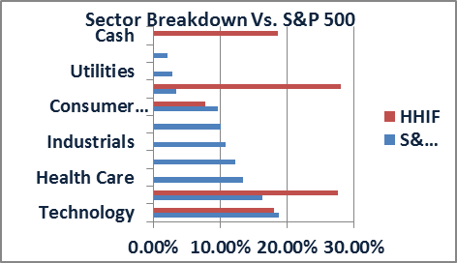
 |  |  | 3.0244195145 | SS SPDR UTILITIS
Sector Breakdown: Comparison With S&P 500 as of Jan. 30th, 2015
 |  |  | 10.370282895 | SS SPDR HLT CRE
 |  |  | 10.55244324 | SS SPDR CONS DIS

